Table 3 Growth from 1993
Traffic Growth Since 1993
Table 3 and the graph illustrate local and national traffic growth since 1993.

District and GM figures are based on 12-hour average weekday flows on a sample of A and B Road links throughout Greater Manchester. 1993-2017 National Data based on average 24-hour daily traffic flow data for urban A Roads published in Table TRA0301 Road Traffic Estimates May 2019 (DfT)*

*National Growth - DfT defines urban roads as roads within a population area of 10000 or more. Pre 2017 values were based on the 2001 census definition of urban settlements. The 2017 figure uses the 2011 census definition of urban settlement. The figure for 2016 has also been revised .

Table 3 Traffic Growth Since 1993
Year | Manchester | GM | National
1993 | 100 | 100 | 100
2000 | 98 | 103 | 105
2001 | 92 | 102 | 105
2002 | 91 | 102 | 105
2003 | 92 | 103 | 105
2004 | 91 | 103 | 106
2005 | 91 | 102 | 105
2006 | 91 | 102 | 106
2007 | 89 | 102 | 104
2008 | 87 | 100 | 103
2009 | 88 | 99 | 103
2010 | 85 | 97 | 103
2011 | 85 | 95 | 102
2012 | 84 | 94 | 101
2013 | 85 | 94 | 101
2014 | 85 | 95 | 102
2015 | 86 | 95 | 103
2016 | 86 | 95 | 104
2017 | 87 | 95 | 99

National, Greater Manchester and Manchester Traffic Growth 1993-2017

Table 4 Vehicle KM
Annual Vehicle Kilometres 2017
Table 4 shows annual vehicle kilometres on major roads in Manchester and Greater Manchester in 2017.

Table 4 Vehicle Kilometres in 2017
 | Road Type | Length (km) | Vehicle Kilometres |  |  |  |  | Av. Daily Flow per km
 |  |  | (millions)
 |  |  | Cars | LGV | OGV | All Goods | All Motors |  | 13.839623015 | Manchester
Manchester | Motorways | 17 | 529 | 96 | 38 | 134 | 667 | 104900 |  | GM
 | A Roads | 116 | 843 | 95 | 22 | 117 | 981 | 23100
 | B Roads | 36 | 140 | 14 | 2 | 16 | 162 | 12300
 | All Roads | 170 | 1512 | 205 | 62 | 267 | 1810 | 29200 | 12 | 14
Greater Manchester | Motorways | 171 | 4399 | 975 | 539 | 1514 | 5942 | 95100
 | A Roads | 865 | 4838 | 608 | 155 | 763 | 5689 | 18000
 | B Roads | 376 | 1261 | 139 | 22 | 161 | 1448 | 10600
 | All Roads | 1412 | 10498 | 1722 | 717 | 2439 | 13079 | 25400
Notes: | Figures may not sum due to rounding. Road lengths are based on the link lengths of a model road network and may differ slightly from other sources and as quoted by DfT form R199b
Proportion of Vehicle Kilometres by Road Type in Manchester and Greater Manchester 2017
 | Motorways | A Roads | B Roads
Manchester | 667 | 981 | 162
GM | 5942 | 5689 | 1448

Cordon Map
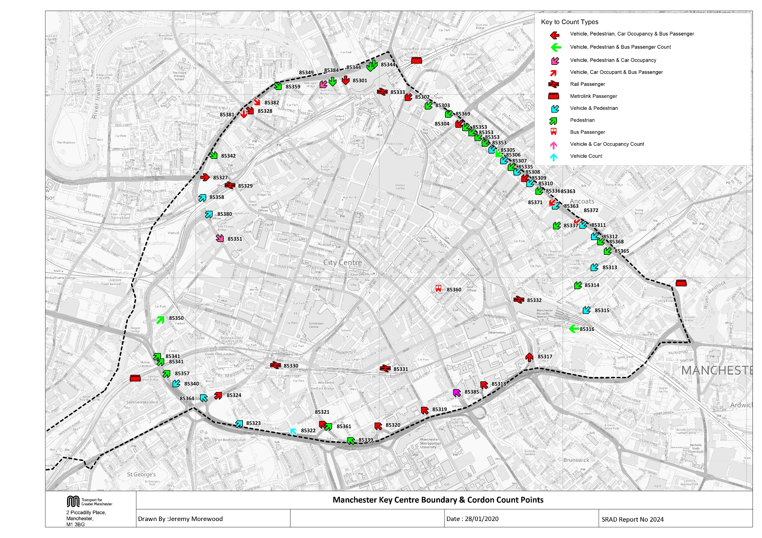

NOMA Cordon Map
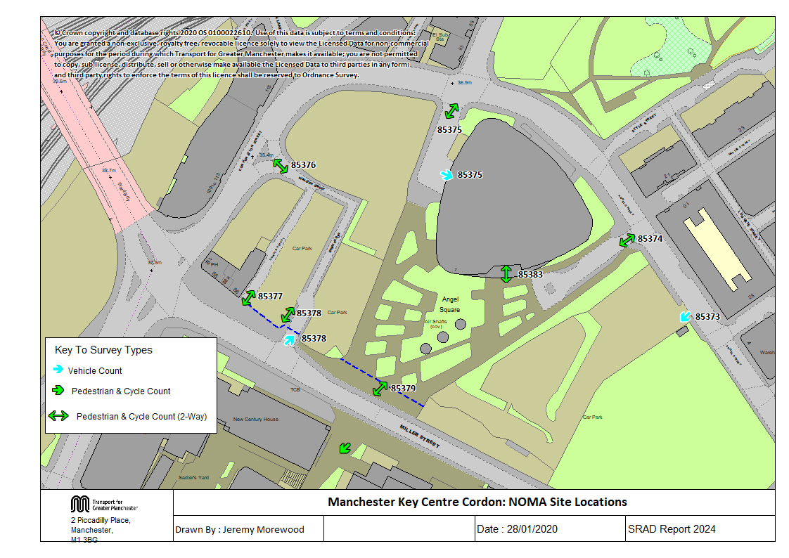

Tab 17 KC Traffic Trend
Trend in Vehicles Crossing Manchester Key Centre Cordon

Table 17 Manchester Key Centre Cordon Counts 1997, 1999, 2002, 2005 & 2009-2019
Time Period | Year | Cars | LGV | OGV | Buses | M/C | P/C | All |  |  | Cars | LGV | OGV | Buses | M/C | P/C | All
07:30-09:30 | 1997 | 27989 | 2004 | 815 | 1079 | 281 | 704 | 32872 |  | 1997 | 27989 | 2004 | 815 | 1079 | 281 | 704 | 32872
 | 1999 | 29194 | 2255 | 730 | 1053 | 276 | 645 | 34153 |  | 1998
 | 2002 | 25980 | 2201 | 469 | 985 | 290 | 509 | 30434 |  | 1999 | 29194 | 2255 | 730 | 1053 | 276 | 645 | 34153
 | 2005 | 27139 | 2079 | 561 | 1000 | 277 | 562 | 31618 |  | 2000
 | 2006 | 24968 | 2136 | 450 | 1019 | 231 | 470 | 29274 |  | 2001
 | 2009 | 21968 | 1675 | 510 | 997 | 274 | 1102 | 26526 |  | 2002 | 25980 | 2201 | 469 | 985 | 290 | 509 | 30434
 | 2010 | 21408 | 1657 | 280 | 973 | 248 | 1143 | 25709 |  | 2003
 | 2011 | 21103 | 1591 | 298 | 956 | 247 | 1190 | 25385 |  | 2004
 | 2012 | 20105 | 1663 | 284 | 902 | 269 | 1476 | 24699 |  | 2005 | 27139 | 2079 | 561 | 1000 | 277 | 562 | 31618
 | 2013 | 21282 | 1597 | 283 | 993 | 230 | 1542 | 25927 |  | 2006 | 24968 | 2136 | 450 | 1019 | 231 | 470 | 29274
 | 2014 | 20668 | 1537 | 297 | 878 | 254 | 1638 | 25272 |  | 2007
 | 2015 | 19854 | 1650 | 309 | 865 | 228 | 1648 | 24554 |  | 2008
 | 2016 | 20147 | 1623 | 450 | 830 | 222 | 1781 | 25053 |  | 2009 | 21968 | 1675 | 510 | 997 | 274 | 1102 | 26526
 | 2017 | 18858 | 1573 | 469 | 791 | 206 | 1892 | 23789 |  | 2010 | 21408 | 1657 | 280 | 973 | 248 | 1143 | 25709
 | 2018 | 18250 | 1500 | 534 | 810 | 198 | 2132 | 23424 |  | 2011 | 21103 | 1591 | 298 | 956 | 247 | 1190 | 25385
 | 2019 | 17660 | 1540 | 414 | 789 | 217 | 2477 | 23097 | 0.97 | 2012 | 20105 | 1663 | 284 | 902 | 269 | 1476 | 24699
 | 2019/1997 | 0.63 | 0.77 | 0.51 | 0.73 | 0.77 | 3.52 | 0.70 |  | 2013 | 21282 | 1597 | 283 | 993 | 230 | 1542 | 25927
10:00-12:00 | 1997 | 14312 | 2008 | 973 | 973 | 208 | 285 | 18759 |  | 2014 | 20668 | 1537 | 297 | 878 | 254 | 1638 | 25272
 | 1999 | 14242 | 2137 | 842 | 1096 | 148 | 232 | 18697 |  | 2015 | 19854 | 1650 | 309 | 865 | 228 | 1648 | 24554
 | 2002 | 13303 | 1999 | 615 | 1023 | 138 | 184 | 17262 |  | 2016 | 20147 | 1623 | 450 | 830 | 222 | 1781 | 25053
 | 2005 | 12526 | 2067 | 607 | 1101 | 85 | 234 | 16620 |  | 2017 | 18858 | 1573 | 469 | 791 | 206 | 1892 | 23789
 | 2006 | 13057 | 2085 | 500 | 1083 | 75 | 139 | 16939 |  | 2018 | 18250 | 1500 | 534 | 810 | 198 | 2129 | 23421
 | 2009 | 11978 | 1812 | 556 | 1075 | 101 | 466 | 15988 |  | 2019 | 17660 | 1540 | 414 | 789 | 217 | 2477 | 23097
 | 2010 | 10912 | 1661 | 316 | 1008 | 53 | 321 | 14271
 | 2011 | 10500 | 1672 | 302 | 961 | 65 | 368 | 13868
 | 2012 | 9587 | 1677 | 251 | 940 | 65 | 456 | 12976
 | 2013 | 10384 | 1698 | 296 | 915 | 57 | 410 | 13760 |  | 1997 | 14312 | 2008 | 973 | 973 | 208 | 285 | 18759
 | 2014 | 10079 | 1571 | 351 | 873 | 58 | 411 | 13343
 | 2015 | 10010 | 1694 | 355 | 890 | 80 | 486 | 13515 |  | 1999 | 14242 | 2137 | 842 | 1096 | 148 | 232 | 18697
 | 2016 | 10756 | 1771 | 521 | 982 | 69 | 525 | 14624
 | 2017 | 10403 | 1625 | 527 | 843 | 91 | 557 | 14046
 | 2018 | 10461 | 1557 | 571 | 857 | 69 | 578 | 14093 |  | 2002 | 13303 | 1999 | 615 | 1023 | 138 | 184 | 17262
 | 2019 | 10706 | 1801 | 495 | 823 | 68 | 651 | 14544 | 1.03
 | 2019/1997 | 0.75 | 0.90 | 0.51 | 0.85 | 0.33 | 2.28 | 0.78
Manchester Key Centre Inbound Vehicle Counts
 | 07:30-09:30 | 10:00-12:00
1997 | 32872 | 18759
1998
1999 | 34153 | 18697
2000
2001
2002 | 30434 | 17262
2003
2004
2005 | 31618 | 16620
2006 | 29274 | 16939
2007
2008
2009 | 26526 | 15988
2010 | 25709 | 14271
2011 | 25385 | 13868
2012 | 24699 | 12976
2013 | 25927 | 13760
2014 | 25272 | 13343
2015 | 24554 | 13515
2016 | 25053 | 14624
2017 | 23789 | 14046
2018 | 23420.666667 | 14090
2019 | 23097 | 14544
 |  |  |  |  |  |  |  |  |  | 2005 | 12526 | 2067 | 607 | 1101 | 85 | 234 | 16620
 |  |  |  |  |  |  |  |  |  | 2006 | 13057 | 2085 | 500 | 1083 | 75 | 139 | 16939

 |  |  |  |  |  |  |  |  |  | 2009 | 11978 | 1812 | 556 | 1075 | 101 | 466 | 15988
 |  |  |  |  |  |  |  |  |  | 2010 | 10912 | 1661 | 316 | 1008 | 53 | 321 | 14271
 |  |  |  |  |  |  |  |  |  | 2011 | 10500 | 1672 | 302 | 961 | 65 | 368 | 13868
 |  |  |  |  |  |  |  |  |  | 2012 | 9587 | 1677 | 251 | 940 | 65 | 456 | 12976
 |  |  |  |  |  |  |  |  |  | 2013 | 10384 | 1698 | 296 | 915 | 57 | 410 | 13760
 |  |  |  |  |  |  |  |  |  | 2014 | 10079 | 1571 | 351 | 873 | 58 | 411 | 13343
 |  |  |  |  |  |  |  |  |  | 2015 | 10010 | 1694 | 355 | 890 | 80 | 486 | 13515
 |  |  |  |  |  |  |  |  |  | 2016 | 10756 | 1771 | 521 | 982 | 69 | 525 | 14624
 |  |  |  |  |  |  |  |  |  | 2017 | 10403 | 1625 | 527 | 843 | 91 | 557 | 14046
 |  |  |  |  |  |  |  |  |  | 2018 | 10461 | 1557 | 571 | 857 | 69 | 575 | 14090
 |  |  |  |  |  |  |  |  |  | 2019 | 10706 | 1801 | 495 | 823 | 68 | 651 | 14544

Table 23 KC Car&Non-carTrips
Car and Non-Car Trips into Manchester Key Centre 07:30-09:30
 | Car | Bus | Walk | Rail | Metro | Cycle
2002 | 31955 | 25254 | 5653 | 16612 | 6301 | 509
2003
2004
2005 | 32567 | 24696 | 6143 | 16743 | 6556 | 562
2006 | 32958 | 25071 | 7485 | 18402 | 6048 | 470
2007
2008
2009 | 27021 | 24615 | 8877 | 20386 | 6716 | 1102
2010 | 27402 | 23418 | 9599 | 21291 | 6448 | 1143
2011 | 26801 | 22438 | 9207 | 22899 | 6832 | 1190
2012 | 25734 | 22286 | 11009 | 22414 | 7787 | 1476
2013 | 26815 | 23300 | 10348 | 25949 | 9086 | 1542
2014 | 25835 | 23038 | 10277 | 24914 | 10731 | 1638
2015 | 24988 | 23092 | 10506 | 25435 | 10942 | 1648
2016 | 25085 | 22640 | 11773 | 28533 | 13183 | 1781
2017 | 23779 | 21727 | 11821 | 28669 | 14437 | 1892
2018 | 23377 | 21210 | 12734 | 28527 | 18100 | 2132
2019 | 22623 | 22669 | 14463 | 28709 | 18983 | 2477
Table 23 Car and Non-Car Trips into Manchester Key Centre
Time Period | Year | Car | Bus | Rail | Metro | Cycle | Walk | Total | % Car | % Non-Car
07:30-09:30 | 2002 | 31955 | 25254 | 16612 | 6301 | 509 | 5653 | 86284 | 37 | 63
 | 2003
 | 2004
 | 2005 | 32567 | 24696 | 16743 | 6556 | 562 | 6143 | 87267 | 37 | 63
 | 2006 | 32958 | 25071 | 18402 | 6048 | 470 | 7485 | 90434 | 36 | 64
 | 2007
 | 2008
 | 2009 | 27021 | 24615 | 20386 | 6716 | 1102 | 8877 | 88717 | 30 | 70
 | 2010 | 27402 | 23418 | 21291 | 6448 | 1143 | 9599 | 89301 | 31 | 69
 | 2011 | 26801 | 22438 | 22899 | 6832 | 1190 | 9207 | 89367 | 30 | 70
 | 2012 | 25734 | 22286 | 22414 | 7787 | 1476 | 11009 | 90706 | 28 | 72
 | 2013 | 26815 | 23300 | 25949 | 9086 | 1542 | 10348 | 97040 | 28 | 72
 | 2014 | 25835 | 23038 | 24914 | 10731 | 1638 | 10277 | 96433 | 27 | 73
 | 2015 | 24988 | 23092 | 25435 | 10942 | 1648 | 10506 | 96611 | 26 | 74
 | 2016 | 25085 | 22640 | 28533 | 13183 | 1781 | 11773 | 102995 | 24 | 76
 | 2017 | 23779 | 21727 | 28669 | 14437 | 1892 | 11821 | 102325 | 23 | 77
 | 2018 | 23377 | 21210 | 28527 | 18100 | 2132 | 12734 | 106079 | 22 | 78
 | 2019 | 22623 | 22669 | 28709 | 18983 | 2477 | 14463 | 109924 | 21 | 79
 | 2019/2002 | 0.71 | 0.90 | 1.73 | 3.01 | 4.87 | 2.56 | 1.27
Car and Non-Car Trips into Manchester Key Centre 10:00-12:00
 | Car | Bus | Walk | Rail | Metro | Cycle
2002 | 17560 | 11415 | 3174 | 6287 | 2408 | 184
2003
2004
2005 | 16159 | 11655 | 3891 | 6429 | 2451 | 234
2006 | 18541 | 13079 | 3528 | 7087 | 2801 | 139
2007
2008
2009 | 15452 | 15379 | 5320 | 9906 | 3450 | 466
2010 | 15386 | 13851 | 5583 | 9266 | 2947 | 321
2011 | 14595 | 14809 | 5063 | 11523 | 2695 | 368
2012 | 13326 | 14060 | 6212 | 8847 | 3394 | 456
2013 | 14226 | 13743 | 5454 | 10281 | 4530 | 410
2014 | 14010 | 13649 | 5846 | 9921 | 5019 | 411
2015 | 14272 | 13728 | 6146 | 9073 | 4731 | 486
2016 | 14827 | 13707 | 6354 | 9244 | 4743 | 525
2017 | 14343 | 12427 | 6176 | 9887 | 5291 | 557
2018 | 15013 | 12124 | 5890 | 10996 | 5535 | 578
2019 | 15226 | 11817 | 6650 | 10019 | 5664 | 651
10:00-12:00 | 2002 | 17560 | 11415 | 6287 | 2408 | 184 | 3174 | 41028 | 43 | 57
 | 2003
 | 2004
 | 2005 | 16159 | 11655 | 6429 | 2451 | 234 | 3891 | 40818 | 40 | 60
 | 2006 | 18541 | 13079 | 7087 | 2801 | 139 | 3528 | 45175 | 41 | 59
 | 2007
 | 2008
 | 2009 | 15452 | 15379 | 9906 | 3450 | 466 | 5320 | 49973 | 31 | 69
 | 2010 | 15386 | 13851 | 9266 | 2947 | 321 | 5583 | 47354 | 32 | 68
 | 2011 | 14595 | 14809 | 11523 | 2695 | 368 | 5063 | 49053 | 30 | 70
 | 2012 | 13326 | 14060 | 8847 | 3394 | 456 | 6212 | 46295 | 29 | 71
 | 2013 | 14226 | 13743 | 10281 | 4530 | 410 | 5454 | 48644 | 29 | 71
 | 2014 | 14010 | 13649 | 9921 | 5019 | 411 | 5846 | 48856 | 29 | 71
 | 2015 | 14272 | 13728 | 9073 | 4731 | 486 | 6146 | 48436 | 29 | 71
 | 2016 | 14827 | 13707 | 9244 | 4743 | 525 | 6354 | 49400 | 30 | 70
 | 2017 | 14343 | 12427 | 9887 | 5291 | 557 | 6176 | 48681 | 29 | 71
 | 2018 | 15013 | 12124 | 10996 | 5535 | 578 | 5890 | 50136 | 30 | 70
 | 2019 | 15226 | 11817 | 10019 | 5664 | 651 | 6650 | 50027 | 30 | 70
 | 2019/2002 | 0.87 | 1.04 | 1.59 | 2.35 | 3.54 | 2.10 | 1.22

